PUMA STOCK
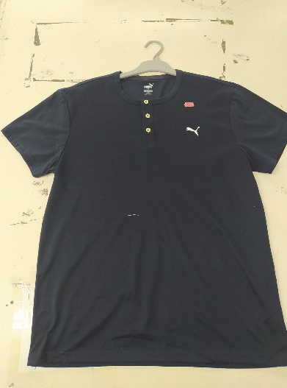
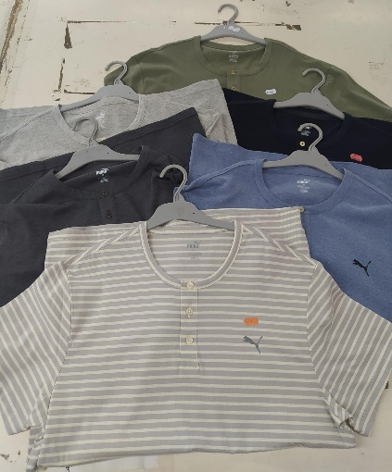

STYLE : PUMA HN 7740
COLOUR : 43 CLOUR
SIZE : S - XL
DESCRIPTION : MENS S/S
TOTAL : 64.670 PCS

STYLE | COLOR | XS | S | M | L | XL | XXL | TOTAL
PUMA HN 7740 | B.GY |  | 410 | 813 | 720 | 410 |  | 2353
 | BEARING BLUE |  | 53 | 97 | 103 | 46 |  | 299
 | BLACK |  | 2481 | 3027 | 1725 | 857 |  | 8090
 | BLEACH |  | 416 | 640 | 572 | 197 |  | 1825
 | BLEACH WHITE |  | 633 | 1048 | 1102 | 133 |  | 2916
 | BOLD BLACK |  | 110 | 230 | 210 | 110 |  | 660
 | BOLD BLACK PSD |  | 311 | 343 | 240 | 146 |  | 1040
 | BURGUNDY |  | 339 | 200 | 124 | 12 |  | 675
 | CADET NAVY2 |  | 115 | 220 | 218 | 108 |  | 661
 | CADET NAVY1 |  | 260 | 690 | 650 | 335 |  | 1935
 | CARTER BLACK |  |  | 240 | 377 |  |  | 617
 | CEMENT |  | 54 | 106 | 155 |  |  | 315
 | CHG |  | 60 | 103 | 113 | 51 |  | 327
 | DARK BLACK AEO |  | 407 | 590 | 1074 | 335 |  | 2406
 | GRAY MIST |  | 349 | 698 | 727 | 356 |  | 2130
 | GRAY STRIP |  | 339 | 634 | 753 | 304 |  | 2030
 | GRAY TCP |  | 64 | 118 | 123 | 58 |  | 363
 | HIDDEN FLOREST |  | 65 | 123 | 124 | 61 |  | 373
 | HTHR GRAY |  | 388 | 148 | 142 |  |  | 678
 | IVORY |  | 250 | 185 |  |  |  | 435
 | KENTUCKY BLUE |  | 401 | 559 | 438 | 284 |  | 1682
 | KHAKI |  | 129 | 281 | 280 | 137 |  | 827
 | L. BLUE |  | 55 | 104 | 103 | 50 |  | 312
 | L.GRAY |  | 65 | 125 | 98 | 65 |  | 353
 | L.LHG |  | 94 | 173 | 177 | 89 |  | 533
 | LHG |  | 85 | 267 | 287 | 95 |  | 734
 | LOYAL BLUE |  | 1084 | 2016 | 2217 | 1150 |  | 6467
 | LT TEAL |  | 548 | 1090 | 1082 | 554 |  | 3274
 | MD.FOX HTR |  | 74 | 76 | 10 |  |  | 160
 | MED GRAY HTR |  | 150 | 304 | 311 | 155 |  | 920
 | MHG |  | 132 | 264 | 210 | 76 |  | 682
 | MIGHT BLUE |  |  | 144 | 144 | 67 |  | 355
 | MOOD INDIGO |  | 1358 | 1200 | 545 |  |  | 3103
 | NAVY |  | 940 | 1106 | 812 | 210 |  | 3068
 | PFD |  |  | 126 |  |  |  | 126
 | RENEW BLUE |  | 184 | 240 | 240 | 145 |  | 809
 | SIMPLY WHITE |  | 500 | 1200 | 600 |  |  | 2300
 | SKY CAPTAIN |  | 125 | 240 | 240 | 138 |  | 743
 | STREET GRAY |  | 237 | 450 | 471 | 200 |  | 1358
 | WHIRL WIND |  | 57 | 115 | 113 | 59 |  | 344
 | WHITE |  | 1241 | 985 | 848 | 571 |  | 3645
 | WHITE 2 |  | 282 | 125 | 148 | 54 |  | 609
 | WHITE AEO |  | 590 | 480 | 712 | 356 |  | 2138
TOTAL |  |  | 15435 | 21923 | 19338 | 7974 |  | 64670

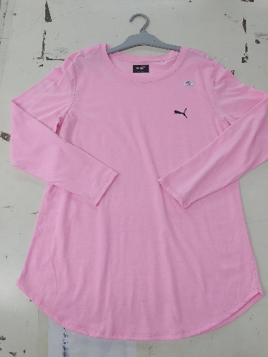
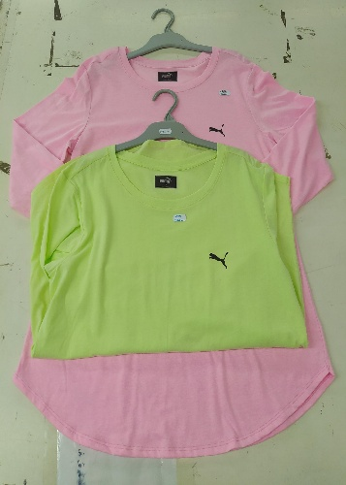
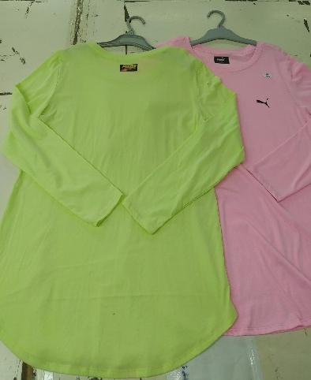

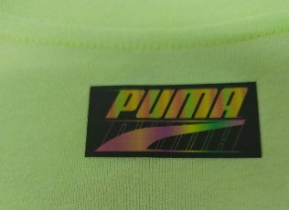
STYLE : PUMA PRINT
COLOUR : 11 COLOUR
SIZE : S - XL
DESCRIPTION : LEADIS L/S
TOTAL : 4.965 PCS

STYLE | COLOUR | XS | S | M | L | XL | XXL | TOTAL
PUMA PRINT | BARELY PINK |  | 107 | 228 | 227 | 117 |  | 679
 | CATTON CANDY |  | 64 | 120 | 124 | 56 |  | 364
 | NEON YELLOW |  | 215 | 427 | 362 | 208 |  | 1212
 | PINK |  | 38 |  |  |  |  | 38
 | PINK 1 |  |  | 90 | 80 | 71 |  | 241
 | PINK 2 |  | 92 | 435 | 435 |  |  | 962
 | PINK 5 |  | 22 | 62 | 82 | 115 |  | 281
 | PINK SALT |  | 34 | 111 |  | 47 |  | 192
 | PINK SALT 2 |  | 122 | 30 |  |  |  | 152
 | PREP YELLOW CSD |  | 60 | 128 | 129 |  |  | 317
 | BRIGHT YELLOW |  | 79 | 158 | 153 | 137 |  | 527
TOTAL |  |  | 833 | 1789 | 1592 | 751 |  | 4965

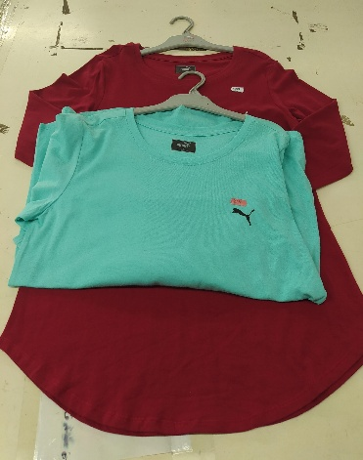
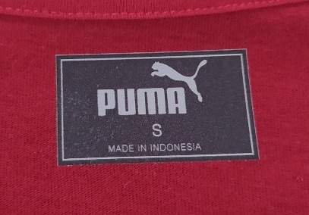
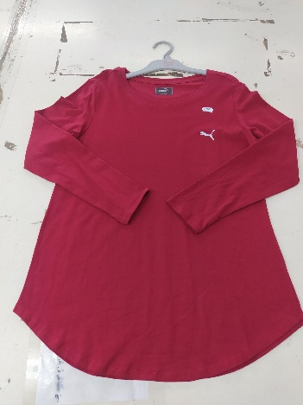

STYLE : PUMA NO PRINT BLK
COLOUR : 35 COLOUR
SIZE : S - XL
DESCRIPTION : LEADIS L/S
TOTAL : 19854 PCS

STYLE | COLOUR | XS | S | M | L | XL | XXL | TOTAL
PUMA NO PRINT BLK | AMUBA GREEN |  | 61 | 144 | 159 | 67 |  | 431
 | ARUBA GREEN 2 |  | 56 | 110 | 112 | 58 |  | 336
 | BLUE |  | 64 | 127 | 129 | 65 |  | 385
 | CERISE RED |  | 97 | 207 | 203 | 105 |  | 612
 | GRANIUM PINK |  | 158 | 336 | 43 | 129 |  | 666
 | GREEN |  | 19 | 35 | 38 | 18 |  | 110
 | HONEY YELLOW |  | 196 | 387 | 394 | 197 |  | 1174
 | ICE MINT |  | 27 | 83 | 72 | 36 |  | 218
 | INDEX 1 |  | 23 | 34 | 41 | 21 |  | 119
 | INDEX 2 |  | 19 | 41 | 45 | 22 |  | 127
 | INDEX 3 |  | 29 | 66 | 65 | 32 |  | 192
 | OAT MEAL SOLID |  | 187 | 369 | 382 | 185 |  | 1123
 | ORANGE |  | 115 | 229 | 228 | 116 |  | 688
 | ORANGE PURE |  | 173 | 427 | 335 | 156 |  | 1091
 | PINK 3 |  | 44 | 89 | 90 | 47 |  | 270
 | PINK 4 |  | 16 | 32 | 34 | 15 |  | 97
 | RED |  | 61 | 106 | 98 | 61 |  | 326
 | RED 1 |  | 4 | 18 | 16 | 10 |  | 48
 | RED 2 |  | 15 | 32 | 33 | 16 |  | 96
 | RED 3 |  | 108 | 201 | 76 | 22 |  | 407
 | RED 4 |  | 20 | 41 | 43 | 19 |  | 123
 | RED GINGER |  | 300 | 663 | 670 | 320 |  | 1953
 | RUBY |  | 284 | 557 | 606 | 369 |  | 1816
 | SACHET PINK |  | 567 | 1230 | 1205 | 573 |  | 3575
 | SCARLET |  |  | 80 | 150 |  |  | 230
 | SEA GREEN |  | 147 | 306 | 315 | 157 |  | 925
 | SEA KISS |  | 167 | 259 | 438 | 173 |  | 1037
 | TAN |  | 10 | 20 | 21 | 12 |  | 63
 | YELLOW 2 |  | 70 | 138 | 133 | 67 |  | 408
 | YELLOW 3 |  | 54 | 108 | 114 | 60 |  | 336
 | YELLOW 4 |  | 19 | 44 | 42 | 22 |  | 127
 | YELLOW 5 |  | 35 | 73 | 73 | 36 |  | 217
 | YELLOW 6 |  | 22 | 46 | 45 | 24 |  | 137
 | YELLOW TUA |  | 65 | 128 | 132 | 66 |  | 391
TOTAL |  |  | 3232 | 6766 | 6580 | 3276 |  | 19854

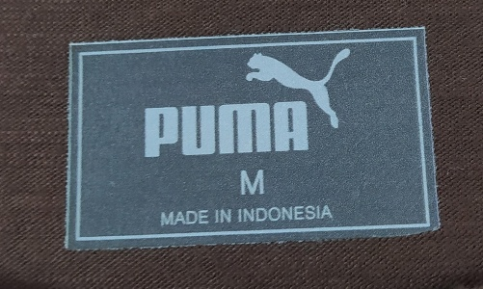
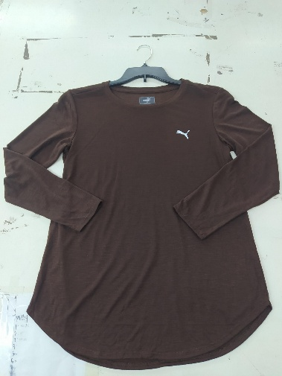

STYLE : PUMA
COLOUR : 1 COLOUR
SIZE : S - XL
DESCRIPTION : LEADIS L/S
TOTAL : 46800 PCS

STYLE | COLOUR | XS | S | M | L | XL | XXL | TOTAL
PUMA | WARM FUDGE |  | 7500 | 15300 | 16000 | 8000 |  | 46800

